10EA003
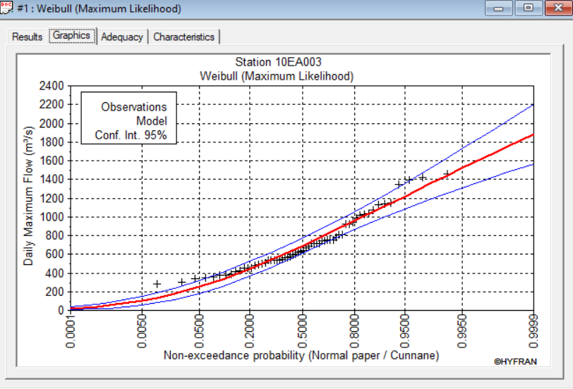
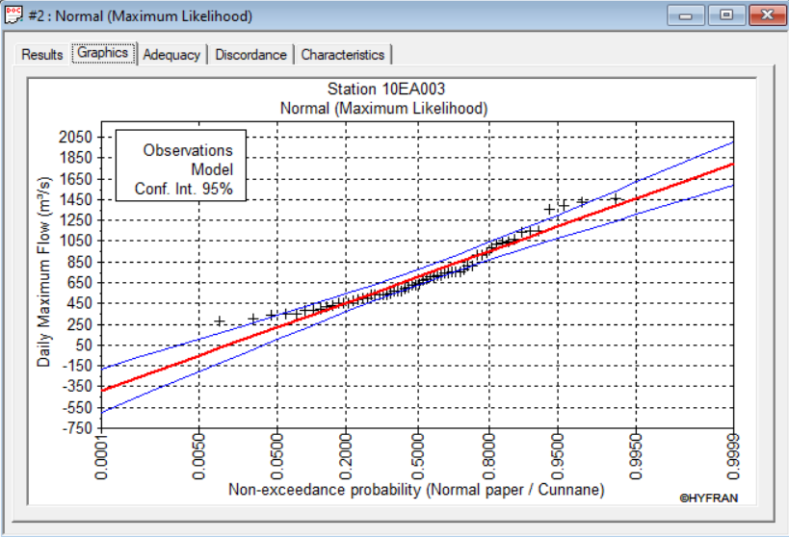
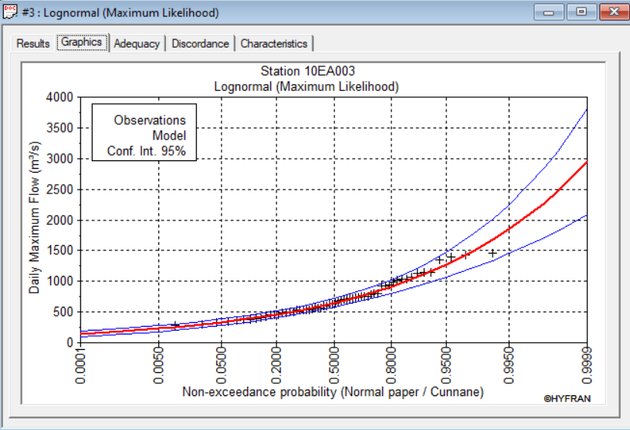
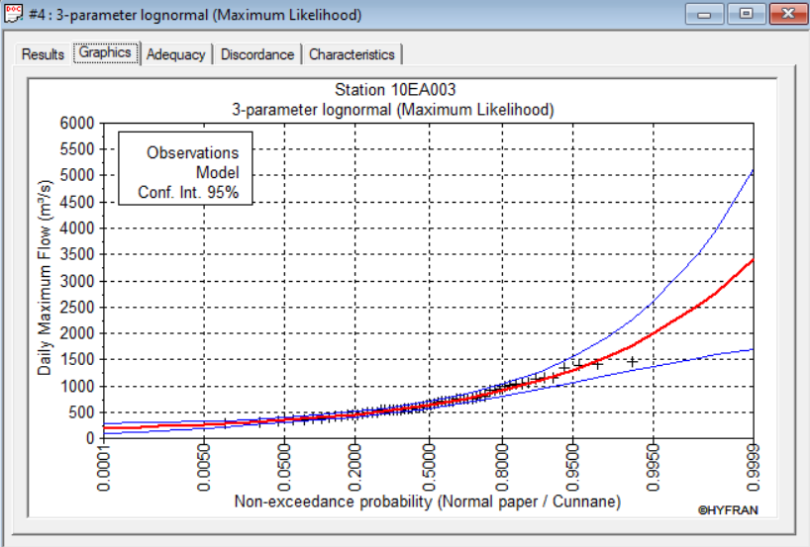
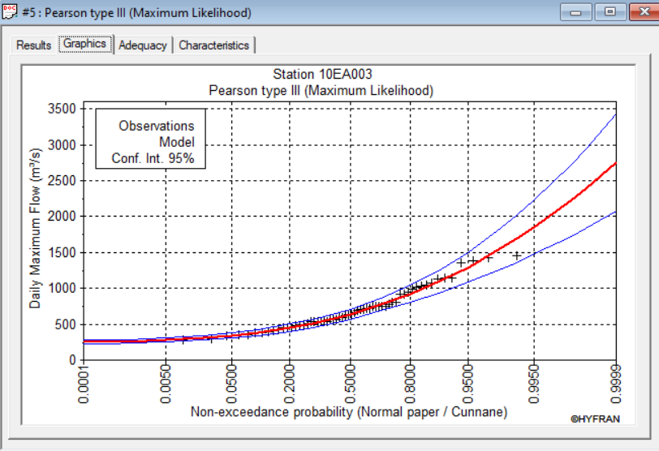
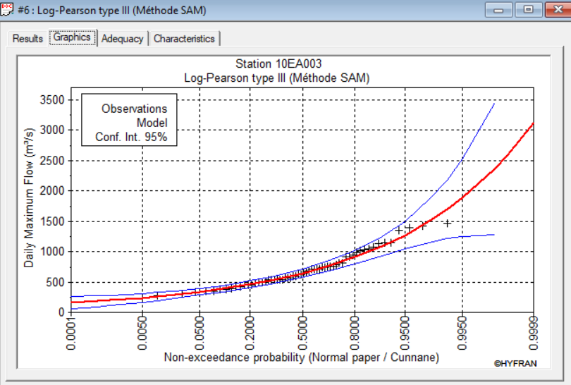
Return Period Peak Flows Estimated Through Frequency Analysis Using Hyfran Station: Flat River Near The Mouth (ID: 10EA003)

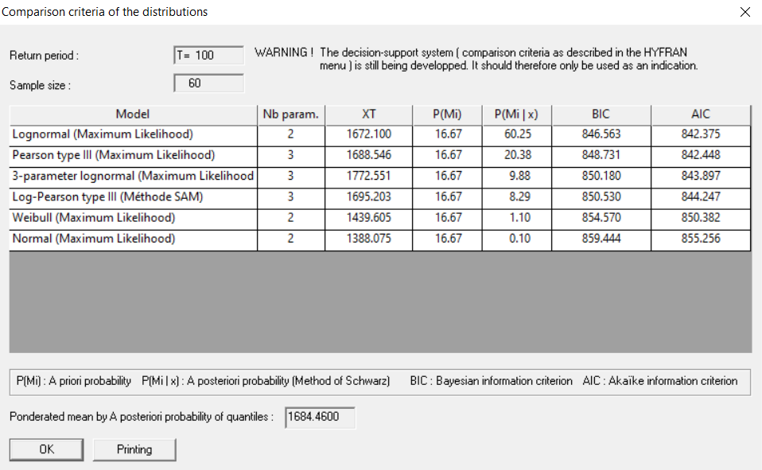
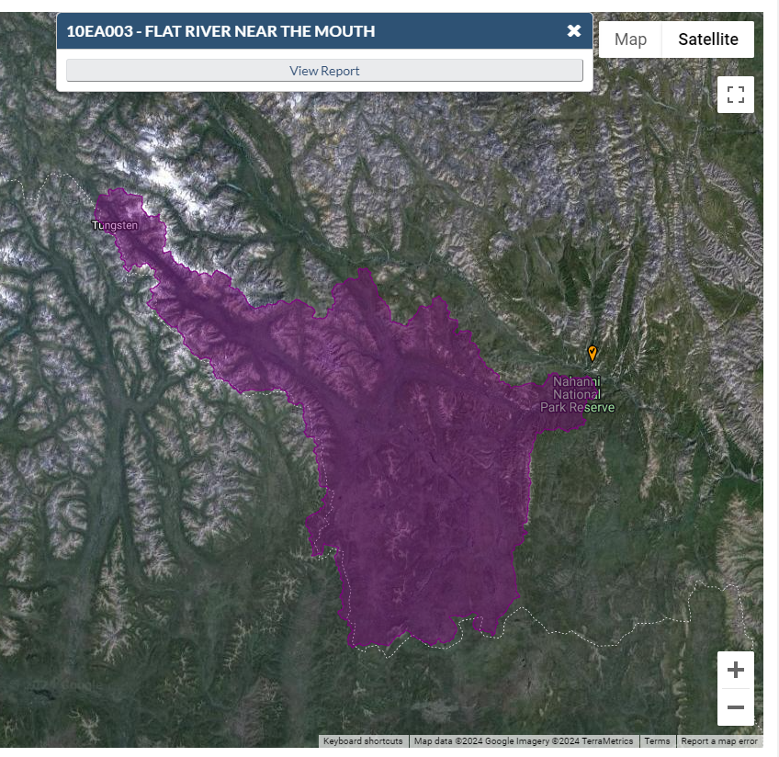
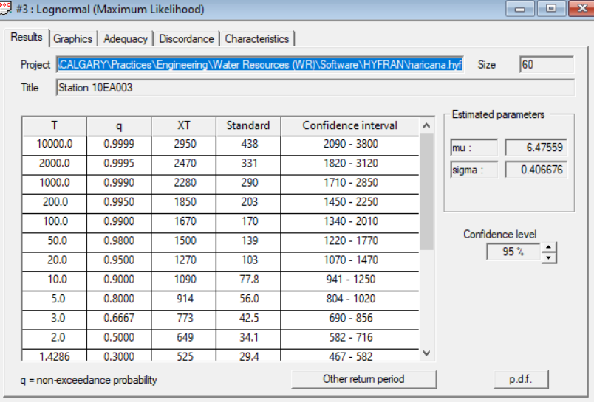
FFA: Annual Instantaneous Flows
Fit: | Lognormal |  |  |  | Test | p
RI | Probability | Flow (m3/s) | STD | CI | Wald-Woldowitz | 0.494
10000 | 0.9999 | 2950 | 438 | 2090 - 3800 | Kendall | 0.536
2000 | 0.9995 | 2470 | 331 | 1820 - 3120 | Wilcoxon (annual) | 0.689
1000 | 0.999 | 2280 | 290 | 1710 - 2850
200 | 0.995 | 1850 | 203 | 1450 - 2250
100 | 0.99 | 1670 | 170 | 1340 - 2010
50 | 0.98 | 1500 | 139 | 1220 - 1770
20 | 0.95 | 1270 | 103 | 1070 - 1470
10 | 0.9 | 1090 | 77.8 | 941 - 1250
5 | 0.8 | 914 | 56 | 804 - 1020
3 | 0.6667 | 773 | 42.5 | 690 - 856
2 | 0.5 | 649 | 34.1 | 582 - 716
1.4286 | 0.3 | 525 | 29.4 | 467 - 582
1.25 | 0.2 | 461 | 28.2 | 406 - 516
1.1111 | 0.1 | 385 | 27.4 | 332 - 439
1.0526 | 0.05 | 332 | 26.9 | 280 - 385
1.0204 | 0.02 | 282 | 26.2 | 230 - 333
1.0101 | 0.01 | 252 | 25.6 | 202 - 302
1.005 | 0.005 | 228 | 25 | 179 - 277
1.001 | 0.001 | 185 | 23.5 | 139 - 231
1.0005 | 0.0005 | 170 | 22.8 | 126 - 215
1.0001 | 0.0001 | 143 | 21.3 | 101 - 185

10EB001
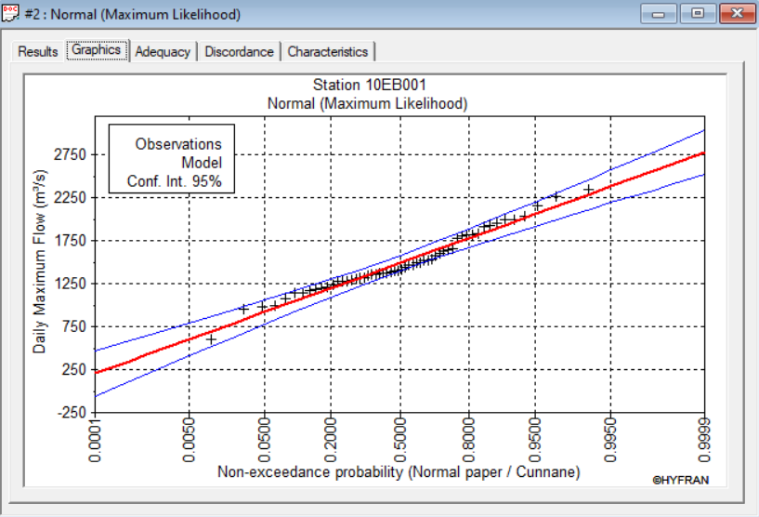
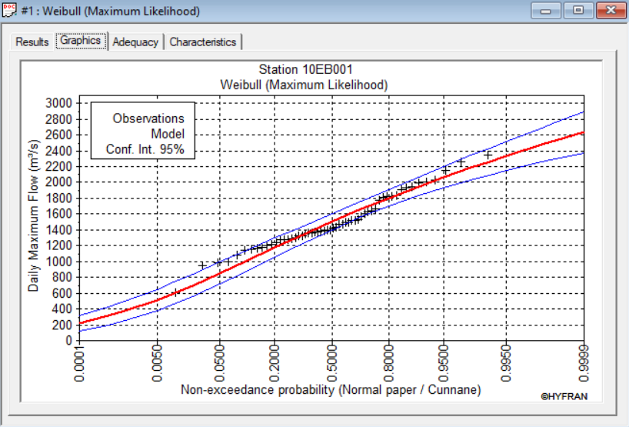
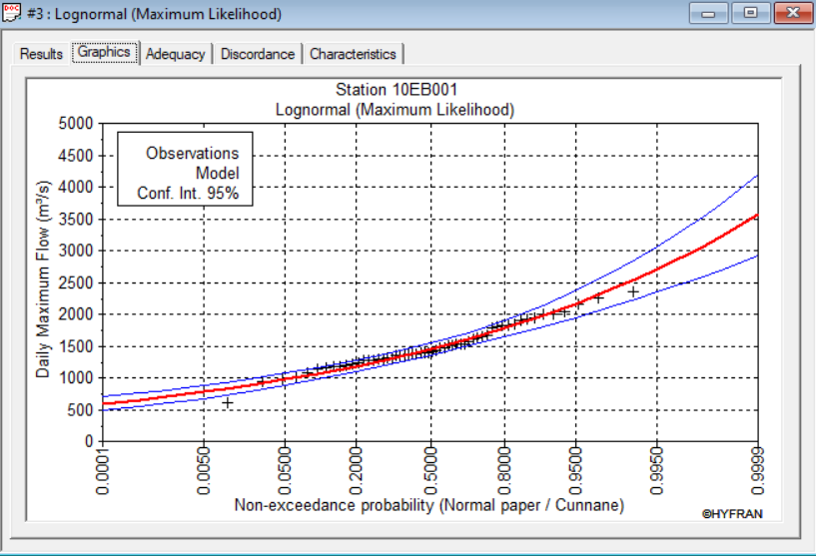
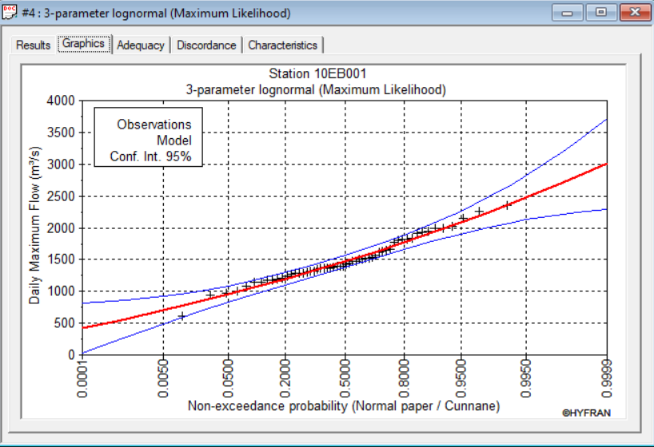
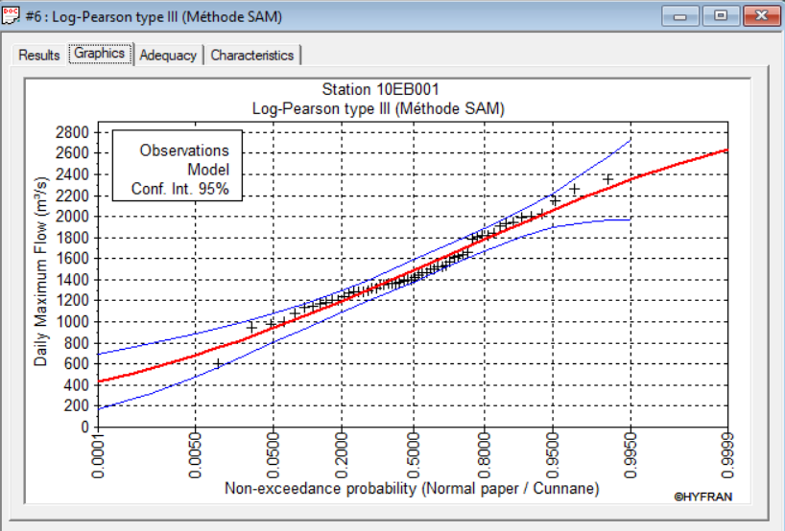
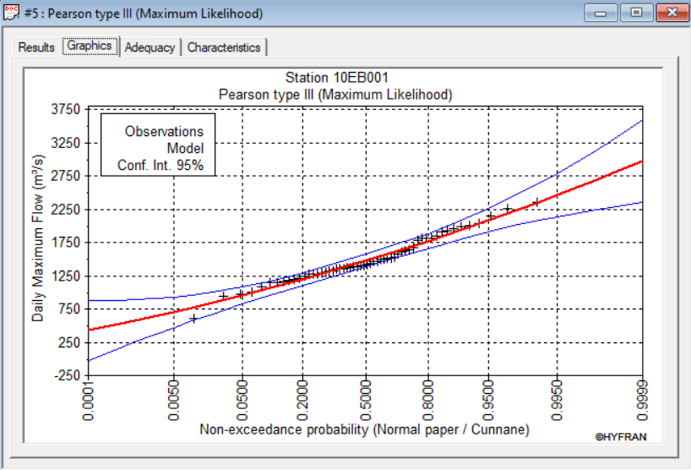
Return Period Peak Flows Estimated Through Frequency Analysis Using Hyfran Station: South Nahanni River Above Virginia Falls (ID: 10EB001)

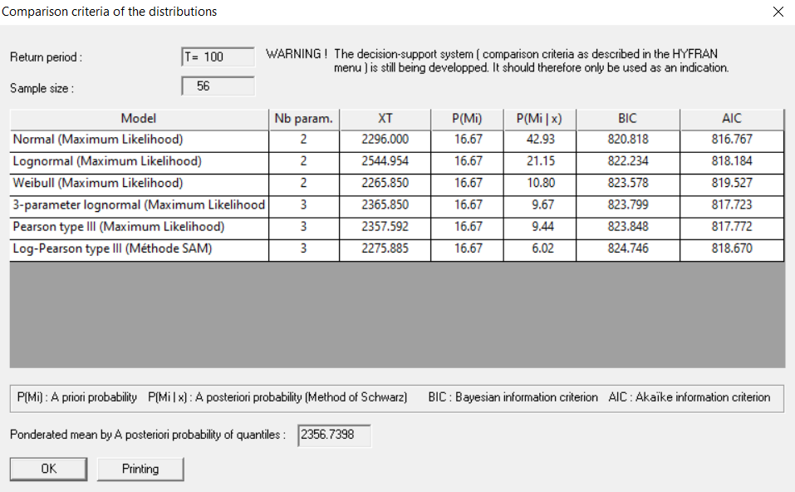
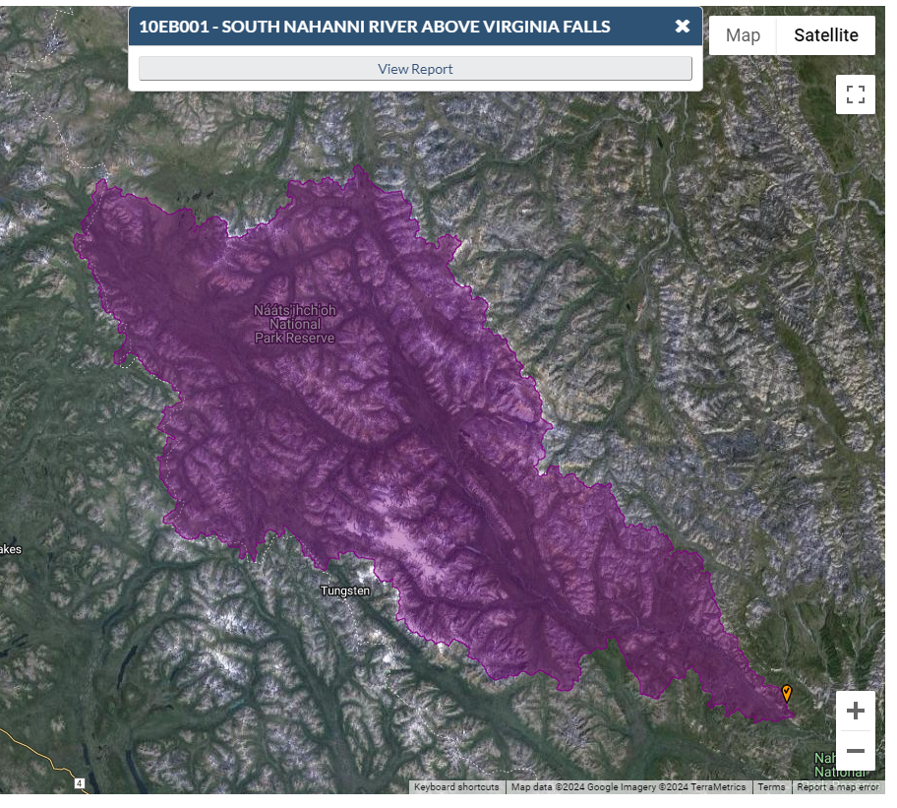
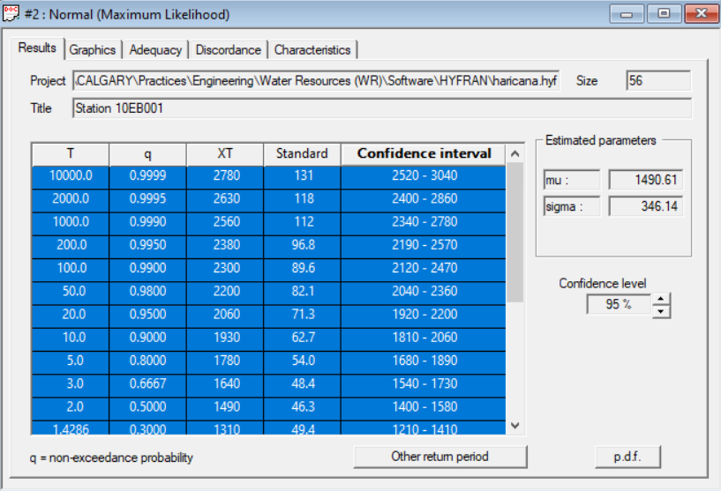
FFA: Annual Instantaneous Flows
Fit: | Normal |  |  |  | Test | p
RI | Probability | Flow (m3/s) | STD | CI | Wald-Woldowitz | 0.694
10000 | 0.9999 | 2780 | 131 | 2520 - 3040 | Kendall | 1
2000 | 0.9995 | 2630 | 118 | 2400 - 2860 | Wilcoxon (annual) | 0.451
1000 | 0.999 | 2560 | 112 | 2340 - 2780
200 | 0.995 | 2380 | 96.8 | 2190 - 2570
100 | 0.99 | 2300 | 89.6 | 2120 - 2470
50 | 0.98 | 2200 | 82.1 | 2040 - 2360
20 | 0.95 | 2060 | 71.3 | 1920 - 2200
10 | 0.9 | 1930 | 62.7 | 1810 - 2060
5 | 0.8 | 1780 | 54 | 1680 - 1890
3 | 0.6667 | 1640 | 48.4 | 1540 - 1730
2 | 0.5 | 1490 | 46.3 | 1400 - 1580
1.4286 | 0.3 | 1310 | 49.4 | 1210 - 1410
1.25 | 0.2 | 1200 | 54 | 1090 - 1310
1.1111 | 0.1 | 1050 | 62.7 | 924 - 1170
1.0526 | 0.05 | 921 | 71.3 | 781 - 1060
1.0204 | 0.02 | 780 | 82.1 | 619 - 940
1.0101 | 0.01 | 685 | 89.6 | 509 - 861
1.005 | 0.005 | 599 | 96.8 | 409 - 789
1.001 | 0.001 | 421 | 112 | 201 - 640
1.0005 | 0.0005 | 352 | 118 | 120 - 583
1.0001 | 0.0001 | 203 | 131 | -53.9 - 460

10EC001
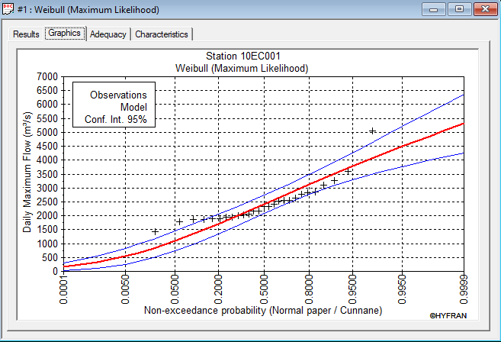
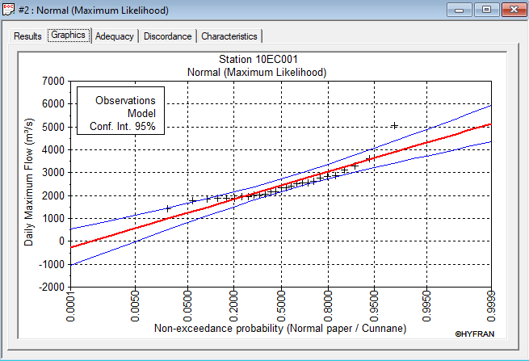
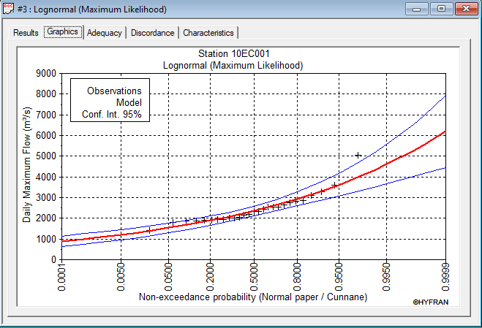
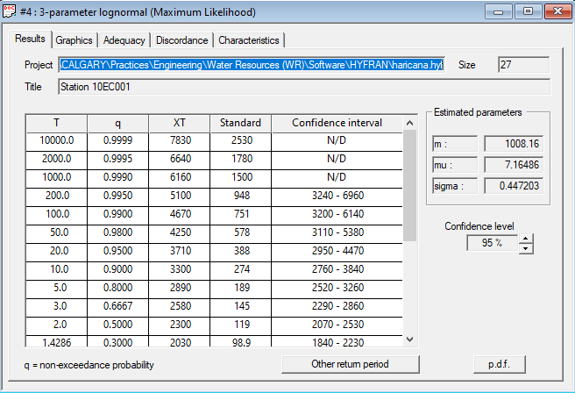
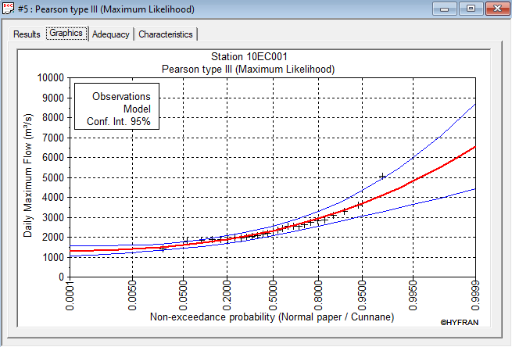
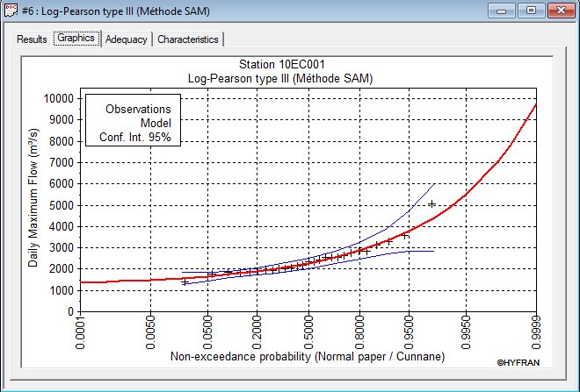
Return Period Peak Flows Estimated Through Frequency Analysis Using Hyfran Station: South Nahanni River Above Clausen Creek (ID: 10EC001)

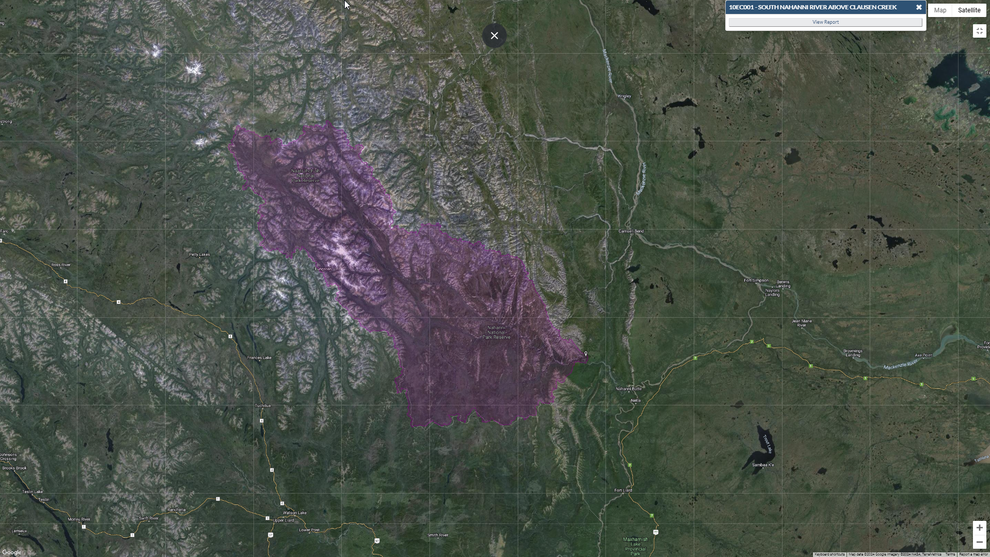
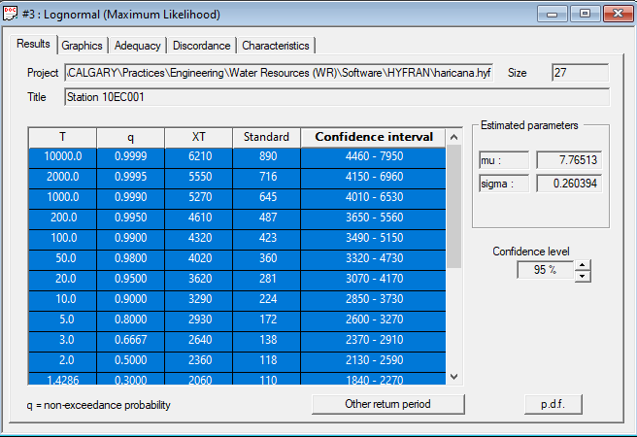
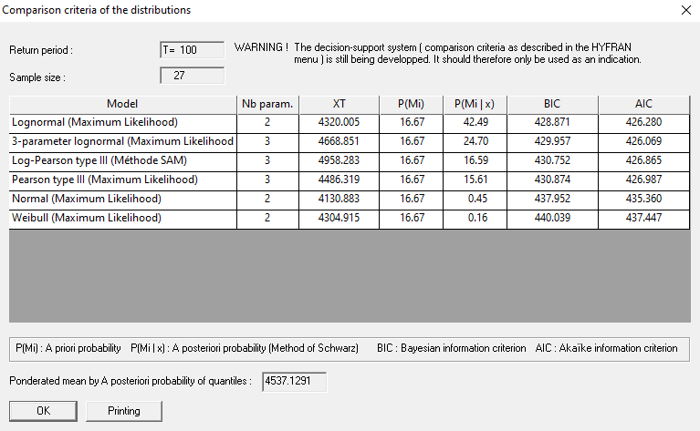
FFA: Annual Instantaneous Flows
Fit: | Lognormal |  |  |  | Test | p
RI | Probability | Flow (m3/s) | STD | CI | Wald-Woldowitz | 0.63
10000 | 0.9999 | 6,210 | 890 | 4460 - 7950 | Kendall | 0.967
2000 | 0.9995 | 5,550 | 716 | 4150 - 6960 | Wilcoxon (annual) | 0.66
1000 | 0.999 | 5,270 | 645 | 4010 - 6530
200 | 0.995 | 4,610 | 487 | 3650 - 5560
100 | 0.99 | 4,320 | 423 | 3490 - 5150
50 | 0.98 | 4,020 | 360 | 3320 - 4730
20 | 0.95 | 3,620 | 281 | 3070 - 4170
10 | 0.9 | 3,290 | 224 | 2850 - 3730
5 | 0.8 | 2,930 | 172 | 2600 - 3270
3 | 0.6667 | 2,640 | 138 | 2370 - 2910
2 | 0.5 | 2360 | 118 | 2130 - 2590
1.4286 | 0.3 | 2060 | 110 | 1840 - 2270
1.25 | 0.2 | 1890 | 111 | 1680 - 2110
1.1111 | 0.1 | 1690 | 115 | 1460 - 1910
1.0526 | 0.05 | 1540 | 119 | 1300 - 1770
1.0204 | 0.02 | 1380 | 124 | 1140 - 1620
1.0101 | 0.01 | 1290 | 126 | 1040 - 1530
1.005 | 0.005 | 1210 | 127 | 955 - 1450
1.001 | 0.001 | 1050 | 129 | 801 - 1310
1.0005 | 0.0005 | 1000 | 129 | 748 - 1250
1.0001 | 0.0001 | 895 | 128 | 643 - 1150

10ED001
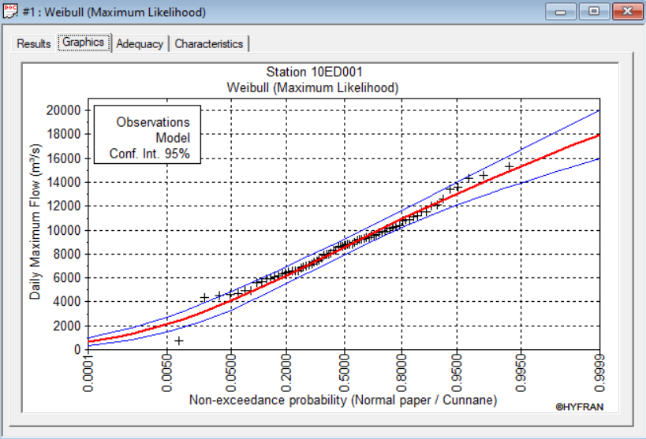
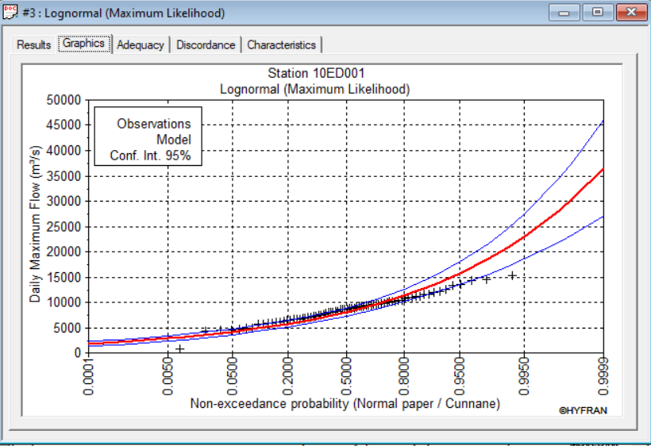
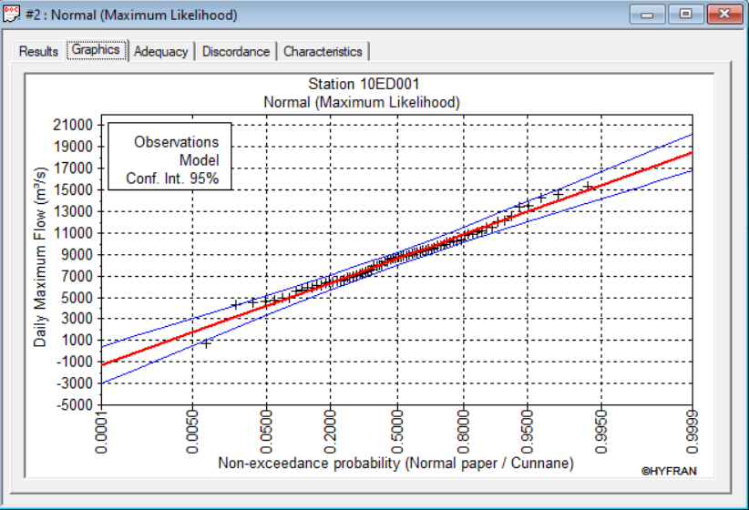
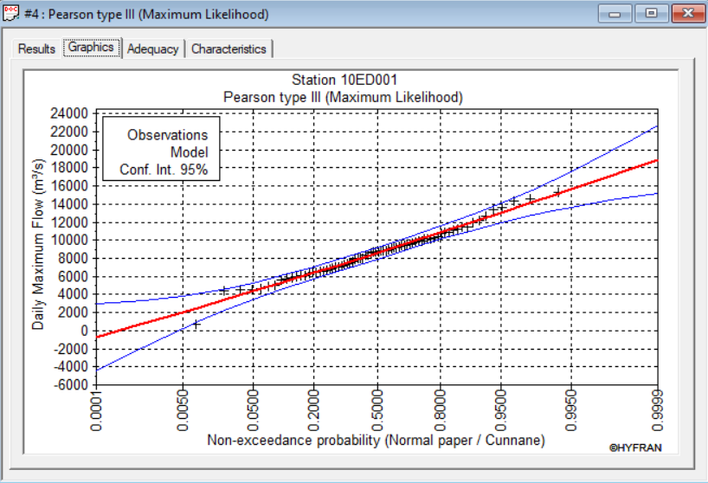
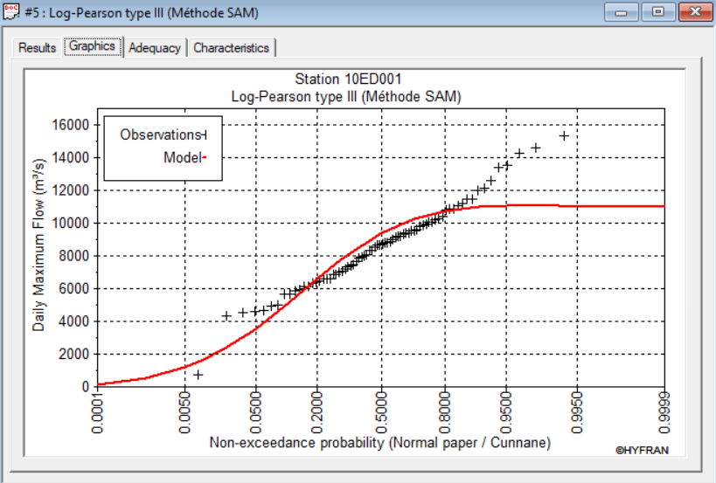
Return Period Peak Flows Estimated Through Frequency Analysis Using Hyfran Station: Liard River at Fort Liard (ID: 10ED001)

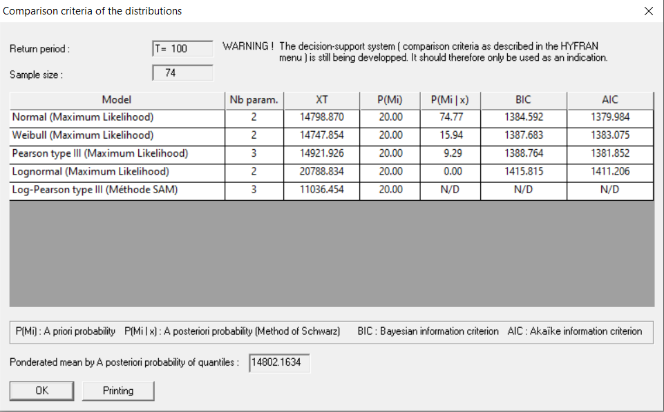
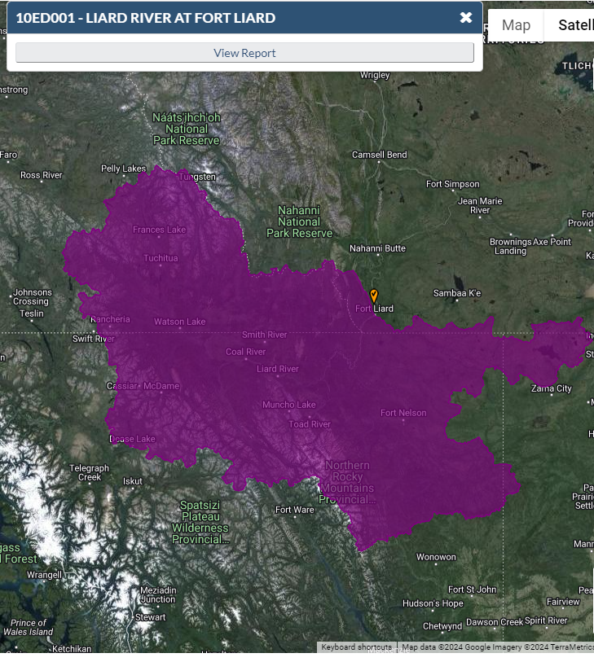
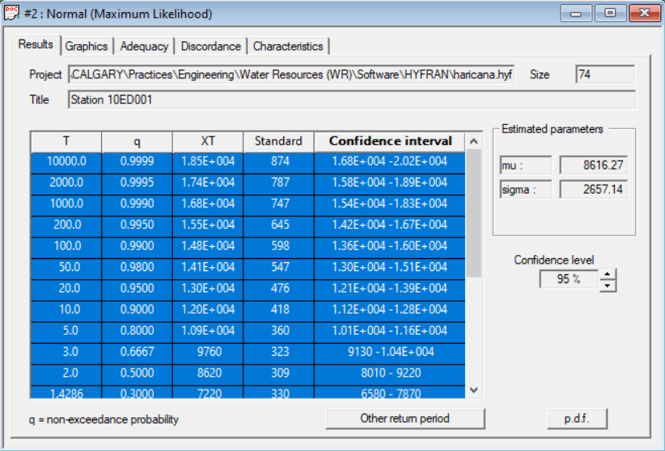
FFA: Annual Instantaneous Flows
Fit: | Normal
RI | Probability | Flow (m3/s) | STD | CI
10000 | 0.9999 | 18,500.00 | 874 | 1.68E+004 -2.02E+004
2000 | 0.9995 | 17,400.00 | 787 | 1.58E+004 -1.89E+004
1000 | 0.999 | 16,800.00 | 747 | 1.54E+004 -1.83E+004
200 | 0.995 | 15,500.00 | 645 | 1.42E+004 -1.67E+004
100 | 0.99 | 14,800.00 | 598 | 1.36E+004 -1.60E+004
50 | 0.98 | 14,100.00 | 547 | 1.30E+004 -1.51E+004
20 | 0.95 | 13,000.00 | 476 | 1.21E+004 -1.39E+004
10 | 0.9 | 12,000.00 | 418 | 1.12E+004 -1.28E+004
5 | 0.8 | 10,900.00 | 360 | 1.01E+004 -1.16E+004
3 | 0.6667 | 9,760.00 | 323 | 9130 -1.04E+004
2 | 0.5 | 8,620.00 | 309 | 8010 - 9220
1.4286 | 0.3 | 7,220.00 | 330 | 6580 - 7870
1.25 | 0.2 | 6,380.00 | 360 | 5670 - 7090
1.1111 | 0.1 | 5,210.00 | 418 | 4390 - 6030
1.0526 | 0.05 | 4,240.00 | 476 | 3310 - 5180
1.0204 | 0.02 | 3,160.00 | 547 | 2090 - 4230
1.0101 | 0.01 | 2,430.00 | 598 | 1260 - 3610
1.005 | 0.005 | 1,770.00 | 645 | 506 - 3040
1.001 | 0.001 | 404.00 | 747 | -1060 - 1870
1.0005 | 0.0005 | (128.00) | 787 | -1670 - 1410 | Test | p
1.0001 | 0.0001 | (1,270.00) | 874 | -2980 - 448 | Wald-Woldowitz | 0.786
 |  |  |  |  | Kendall | 0.368
 |  |  |  |  | Wilcoxon (annual) | 0.527

RFFA
Estimated Regional Instantaneous Peak Flow for Each Station Using Frequency Analysis
 |  |  |  |  |  | Estimated Peak Flows for Nahanni River Watershed at Nahanni-Liard Confluence Using Transposition Method
 |  | Flood Flows (m3/s)
 |  | FLAT RIVER NEAR THE MOUTH | SOUTH NAHANNI RIVER ABOVE VIRGINIA FALLS | SOUTH NAHANNI RIVER ABOVE CLAUSEN CREEK | LIARD RIVER AT FORT LIARD
 | Station Name |  |  |  |  |  | Peak Flow (m3/s) |  | Nahanni River Drainage Area at Nahanni-Liard Confluence | Unit
 | Station ID | 10EA003 | 10EB001 | 10EC001 | 10ED001 | Drainage Area (1000 km2) | 36
 | Comment | Medium - Natural | Medium - Natural | Medium - Natural | Large - Cities/Towns | 2-Year | 2391.2 |  | 36 | [1000 km2]
Return Period (Year) | 2 | 649 | 1490 | 2360 | 8620 | 5-Year | 3040.4
 | 5 | 914 | 1780 | 2930 | 10900 | 10-Year | 3410.1
 | 10 | 1090 | 1930 | 3290 | 12000 | 20-Year | 3754.3
 | 20 | 1270 | 2060 | 3620 | 13000 | 50-Year | 4156.9
 | 50 | 1500 | 2200 | 4020 | 14100 | 100-Year | 4440.8
 | 100 | 1670 | 2300 | 4320 | 14800 | 200-Year | 4716.4
 | 200 | 1850 | 2380 | 4610 | 15500
 | Drainage Area (1000 km2) | 8.56 | 14.50 | 31.10 | 222.00
 | 100-yr Unit Runoff (m3/s/km2) | 195.09 | 158.62 | 138.91 | 66.67
 | Frequency Analysis completed using HYFRAN software, best fit distribution selected based on minimum AIC: see following station specific pages

Regional Instantaneous Peak Flow vs. Drainage Area Relationship |  |  |  |  |  | Estimated Peak Flows for Liard River Watershed at Nahanni-Liard Confluence Using Transposition Method
 | 2 | 5 | 10 | 20 | 50 | 100 | #REF! | 200
8.56 | 649 | 914 | 1090 | 1270 | 1500 | 1670 | 1 | 1850
14.50 | 1490 | 1780 | 1930 | 2060 | 2200 | 2300 |  | 2380
31.10 | 2360 | 2930 | 3290 | 3620 | 4020 | 4320 |  | 4610
222.00 | 8620 | 10900 | 12000 | 13000 | 14100 | 14800 |  | 15500
 |  |  |  |  |  |  | Peak Flow (m3/s) |  | Liard River Drainage Area at Nahanni-Liard Confluence | Unit
 |  |  |  |  |  | Drainage Area (1000 km2) | 229
 |  |  |  |  |  | 2-Year | 9470.3 |  | 229 | [1000 km2]
 |  |  |  |  |  | 5-Year | 11700.6
 |  |  |  |  |  | 10-Year | 12772.4
 |  |  |  |  |  | 20-Year | 13721.5
 |  |  |  |  |  | 50-Year | 14758.0
 |  |  |  |  |  | 100-Year | 15430.2
 |  |  |  |  |  | 200-Year | 16084.0

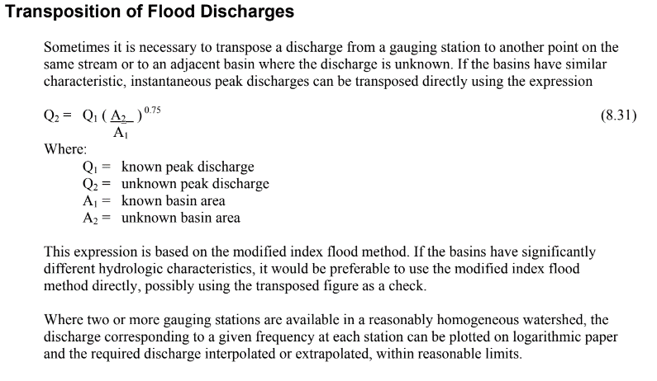

Regression Analysis of Regional Flood Frequency Statistics (Log-Log)

 |  |  |  |  |  |  |  | 20-Year
 |  |  |  |  |  |  |  | 100-Year

